Instructions
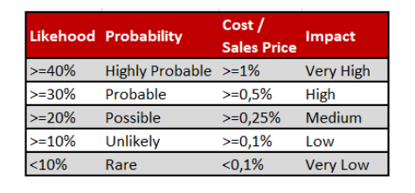
INSTRUCTIONS
With the use of Power BI Desktop (preferably, but some other BI/reporting/visualization tool may be used) create a report with the use of data available in adjacent worksheets. The report shall present:

1. Summary of actual sales in USD
2. Summary of forecasted sales in USD
3. Card with the total number of projects
4. Card with the total number of risks
5. Line chart with actual and forecasted sales in USD accross all projects on time axis (month by month)
6. Running total (cummulative) sales overal and with split by project in time (month by month)
7. Column chart with the total amount by project
8. Risk analysis heatmap showing Probability and Inpact (the logic and visual representation sample as on the pictures below)

